Daily Power Station Chart_14-01
Plant_11/07/2025Chart

Plant:odco1 |  |  | Installed Capacity:111.180kWp
Today Yield(kWh):544.100kWh |  | Today Earning:217640.000TND |  | Today Full Load Hours(h):4.89h

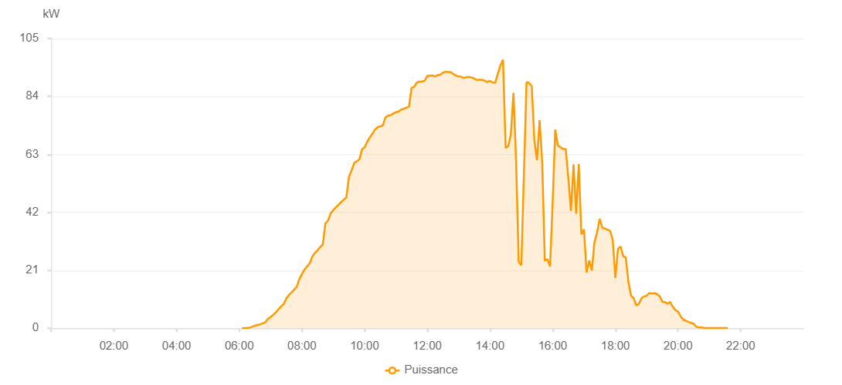

Number | Time | Working State | PV(W) | Instantaneous Radiation(W/㎡)
1 | 06:05:00 | Online | 20.00000 | 0
2 | 06:10:00 | Online | 40.00000 | 0
3 | 06:15:00 | Online | 130.00000 | 0
4 | 06:20:00 | Online | 230.00000 | 1.00000
5 | 06:25:00 | Online | 510.00000 | 3.00000
6 | 06:30:00 | Online | 920.00000 | 6.00000
7 | 06:35:00 | Online | 1190.00000 | 9.00000
8 | 06:40:00 | Online | 1440.00000 | 12.00000
9 | 06:45:00 | Online | 1790.00000 | 17.00000
10 | 06:50:00 | Online | 2150.00000 | 23.00000
11 | 06:55:00 | Online | 3390.00000 | 31.00000
12 | 07:00:00 | Online | 4050.00000 | 42.00000
13 | 07:05:00 | Online | 4850.00000 | 53.00000
14 | 07:10:00 | Online | 5680.00000 | 67.00000
15 | 07:15:00 | Online | 6830.00000 | 81.00000
16 | 07:20:00 | Online | 7920.00000 | 96.00000
17 | 07:25:00 | Online | 8730.00000 | 111.00000
18 | 07:30:00 | Online | 10760.00000 | 127.00000
19 | 07:35:00 | Online | 12030.00000 | 144.00000
20 | 07:40:00 | Online | 12940.00000 | 160.00000
21 | 07:45:00 | Online | 13970.00000 | 177.00000
22 | 07:50:00 | Online | 14940.00000 | 192.00000
23 | 07:55:00 | Online | 17770.00000 | 208.00000
24 | 08:00:00 | Online | 19640.00000 | 228.00000
25 | 08:05:00 | Online | 21270.00000 | 245.00000
26 | 08:10:00 | Online | 22460.00000 | 263.00000
27 | 08:15:00 | Online | 23600.00000 | 284.00000
28 | 08:20:00 | Online | 26040.00000 | 301.00000
29 | 08:25:00 | Online | 27270.00000 | 319.00000
30 | 08:30:00 | Online | 28310.00000 | 339.00000
31 | 08:35:00 | Online | 29420.00000 | 357.00000
32 | 08:40:00 | Online | 30400.00000 | 375.00000
33 | 08:45:00 | Online | 38000.00000 | 393.00000
34 | 08:50:00 | Online | 39080.00000 | 410.00000
35 | 08:55:00 | Online | 41680.00000 | 428.00000
36 | 09:00:00 | Online | 42760.00000 | 447.00000
37 | 09:05:00 | Online | 43840.00000 | 465.00000
38 | 09:10:00 | Online | 44770.00000 | 484.00000
39 | 09:15:00 | Online | 45740.00000 | 501.00000
40 | 09:20:00 | Online | 46580.00000 | 517.00000
41 | 09:25:00 | Online | 47350.00000 | 535.00000
42 | 09:30:00 | Online | 54820.00000 | 551.00000
43 | 09:35:00 | Online | 57120.00000 | 569.00000
44 | 09:40:00 | Online | 59900.00000 | 583.00000
45 | 09:45:00 | Online | 60460.00000 | 599.00000
46 | 09:50:00 | Online | 61230.00000 | 615.00000
47 | 09:55:00 | Online | 64850.00000 | 628.00000
48 | 10:00:00 | Online | 65540.00000 | 645.00000
49 | 10:05:00 | Online | 67600.00000 | 661.00000
50 | 10:10:00 | Online | 69130.00000 | 673.00000
51 | 10:15:00 | Online | 70540.00000 | 687.00000
52 | 10:20:00 | Online | 71950.00000 | 702.00000
53 | 10:25:00 | Online | 72870.00000 | 715.00000
54 | 10:30:00 | Online | 73170.00000 | 728.00000
55 | 10:35:00 | Online | 73570.00000 | 741.00000
56 | 10:40:00 | Online | 76410.00000 | 750.00000
57 | 10:45:00 | Online | 77050.00000 | 763.00000
58 | 10:50:00 | Online | 77250.00000 | 777.00000
59 | 10:55:00 | Online | 77860.00000 | 786.00000
60 | 11:00:00 | Online | 78260.00000 | 798.00000
61 | 11:05:00 | Online | 78480.00000 | 808.00000
62 | 11:10:00 | Online | 79240.00000 | 816.00000
63 | 11:15:00 | Online | 79540.00000 | 826.00000
64 | 11:20:00 | Online | 79910.00000 | 832.00000
65 | 11:25:00 | Online | 80360.00000 | 843.00000
66 | 11:30:00 | Online | 87170.00000 | 851.00000
67 | 11:35:00 | Online | 87480.00000 | 861.00000
68 | 11:40:00 | Online | 89030.00000 | 869.00000
69 | 11:45:00 | Online | 89390.00000 | 873.00000
70 | 11:50:00 | Online | 89450.00000 | 880.00000
71 | 11:55:00 | Online | 89650.00000 | 887.00000
72 | 12:00:00 | Online | 91450.00000 | 890.00000
73 | 12:05:00 | Online | 91560.00000 | 893.00000
74 | 12:10:00 | Online | 91630.00000 | 895.00000
75 | 12:15:00 | Online | 91240.00000 | 901.00000
76 | 12:20:00 | Online | 91760.00000 | 905.00000
77 | 12:25:00 | Online | 91890.00000 | 905.00000
78 | 12:30:00 | Online | 92630.00000 | 910.00000
79 | 12:35:00 | Online | 92950.00000 | 912.00000
80 | 12:40:00 | Online | 92870.00000 | 912.00000
81 | 12:45:00 | Online | 92770.00000 | 914.00000
82 | 12:50:00 | Online | 92090.00000 | 910.00000
83 | 12:55:00 | Online | 91550.00000 | 911.00000
84 | 13:00:00 | Online | 91270.00000 | 908.00000
85 | 13:05:00 | Online | 91150.00000 | 908.00000
86 | 13:10:00 | Online | 90640.00000 | 908.00000
87 | 13:15:00 | Online | 91030.00000 | 907.00000
88 | 13:20:00 | Online | 91080.00000 | 905.00000
89 | 13:25:00 | Online | 90870.00000 | 898.00000
90 | 13:30:00 | Online | 90440.00000 | 898.00000
91 | 13:35:00 | Online | 89950.00000 | 895.00000
92 | 13:40:00 | Online | 90040.00000 | 889.00000
93 | 13:45:00 | Online | 90040.00000 | 886.00000
94 | 13:50:00 | Online | 89720.00000 | 885.00000
95 | 13:55:00 | Online | 89190.00000 | 881.00000
96 | 14:00:00 | Online | 89670.00000 | 869.00000
97 | 14:05:00 | Online | 89050.00000 | 866.00000
98 | 14:10:00 | Online | 88940.00000 | 858.00000
99 | 14:15:00 | Online | 92190.00000 | 760.00000
100 | 14:20:00 | Online | 95250.00000 | 922.00000
101 | 14:25:00 | Online | 97330.00000 | 924.00000
102 | 14:30:00 | Online | 65320.00000 | 349.00000
103 | 14:35:00 | Online | 66030.00000 | 263.00000
104 | 14:40:00 | Online | 70230.00000 | 265.00000
105 | 14:45:00 | Online | 85280.00000 | 324.00000
106 | 14:50:00 | Online | 60640.00000 | 871.00000
107 | 14:55:00 | Online | 23990.00000 | 693.00000
108 | 15:00:00 | Online | 22830.00000 | 229.00000
109 | 15:05:00 | Online | 55900.00000 | 187.00000
110 | 15:10:00 | Online | 89180.00000 | 808.00000
111 | 15:15:00 | Online | 88900.00000 | 844.00000
112 | 15:20:00 | Online | 87670.00000 | 854.00000
113 | 15:25:00 | Online | 68110.00000 | 420.00000
114 | 15:30:00 | Online | 60870.00000 | 811.00000
115 | 15:35:00 | Online | 75420.00000 | 283.00000
116 | 15:40:00 | Online | 59960.00000 | 417.00000
117 | 15:45:00 | Online | 24420.00000 | 380.00000
118 | 15:50:00 | Online | 25040.00000 | 217.00000
119 | 15:55:00 | Online | 22380.00000 | 217.00000
120 | 16:00:00 | Online | 45660.00000 | 173.00000
121 | 16:05:00 | Online | 72020.00000 | 655.00000
122 | 16:10:00 | Online | 66200.00000 | 629.00000
123 | 16:15:00 | Online | 65590.00000 | 582.00000
124 | 16:20:00 | Online | 64930.00000 | 580.00000
125 | 16:25:00 | Online | 64950.00000 | 565.00000
126 | 16:30:00 | Online | 54600.00000 | 558.00000
127 | 16:35:00 | Online | 42530.00000 | 522.00000
128 | 16:40:00 | Online | 59370.00000 | 357.00000
129 | 16:45:00 | Online | 41440.00000 | 474.00000
130 | 16:50:00 | Online | 59490.00000 | 126.00000
131 | 16:55:00 | Online | 34000.00000 | 469.00000
132 | 17:00:00 | Online | 35780.00000 | 438.00000
133 | 17:05:00 | Online | 20200.00000 | 449.00000
134 | 17:10:00 | Online | 24540.00000 | 155.00000
135 | 17:15:00 | Online | 20870.00000 | 230.00000
136 | 17:20:00 | Online | 31160.00000 | 178.00000
137 | 17:25:00 | Online | 34660.00000 | 404.00000
138 | 17:30:00 | Online | 39640.00000 | 291.00000
139 | 17:35:00 | Online | 36470.00000 | 337.00000
140 | 17:40:00 | Online | 36110.00000 | 322.00000
141 | 17:45:00 | Online | 35710.00000 | 315.00000
142 | 17:50:00 | Online | 35270.00000 | 310.00000
143 | 17:55:00 | Online | 32150.00000 | 303.00000
144 | 18:00:00 | Online | 18260.00000 | 190.00000
145 | 18:05:00 | Online | 28740.00000 | 143.00000
146 | 18:10:00 | Online | 29600.00000 | 249.00000
147 | 18:15:00 | Online | 26090.00000 | 259.00000
148 | 18:20:00 | Online | 25700.00000 | 199.00000
149 | 18:25:00 | Online | 16820.00000 | 182.00000
150 | 18:30:00 | Online | 11850.00000 | 137.00000
151 | 18:35:00 | Online | 10890.00000 | 102.00000
152 | 18:40:00 | Online | 8260.00000 | 85.00000
153 | 18:45:00 | Online | 8780.00000 | 72.00000
154 | 18:50:00 | Online | 10870.00000 | 68.00000
155 | 18:55:00 | Online | 11520.00000 | 73.00000
156 | 19:00:00 | Online | 11730.00000 | 82.00000
157 | 19:05:00 | Online | 12760.00000 | 88.00000
158 | 19:10:00 | Online | 12530.00000 | 90.00000
159 | 19:15:00 | Online | 12690.00000 | 88.00000
160 | 19:20:00 | Online | 12360.00000 | 89.00000
161 | 19:25:00 | Online | 11550.00000 | 81.00000
162 | 19:30:00 | Online | 9590.00000 | 70.00000
163 | 19:35:00 | Online | 9470.00000 | 67.00000
164 | 19:40:00 | Online | 8880.00000 | 66.00000
165 | 19:45:00 | Online | 9530.00000 | 63.00000
166 | 19:50:00 | Online | 7790.00000 | 75.00000
167 | 19:55:00 | Online | 6500.00000 | 48.00000
168 | 20:00:00 | Online | 6030.00000 | 48.00000
169 | 20:05:00 | Online | 4300.00000 | 41.00000
170 | 20:10:00 | Online | 3140.00000 | 30.00000
171 | 20:15:00 | Online | 2720.00000 | 21.00000
172 | 20:20:00 | Online | 2270.00000 | 19.00000
173 | 20:25:00 | Online | 1960.00000 | 15.00000
174 | 20:30:00 | Online | 1620.00000 | 13.00000
175 | 20:35:00 | Online | 560.00000 | 8.00000
176 | 20:40:00 | Online | 300.00000 | 5.00000
177 | 20:45:00 | Online | 300.00000 | 3.00000
178 | 20:50:00 | Online | 100.00000 | 2.00000
179 | 20:55:00 | Online | 40.00000 | 1.00000
180 | 21:00:00 | Online | 40.00000 | 0
181 | 21:05:00 | Online | 40.00000 | 0
182 | 21:10:00 | Online | 40.00000 | 0
183 | 21:15:00 | Online | 40.00000 | 0
184 | 21:20:00 | Online | 40.00000 | 0
185 | 21:25:00 | Online | 40.00000 | 0
186 | 21:30:00 | Online | 40.00000 | 0
187 | 21:35:00 | Online | 40.00000 | 0
188 | 21:55:00 | Online | 0.00001 | 0.00001

